LDBOND
LIC MF MEDIUM TO LONG DURATION FUND |  |  |  |  | Index

Monthly Portfolio Statement as on January 31,2025
Name of the Instrument | ISIN | Industry / Rating | Quantity | Market/Fair Value (Rounded, Rs. In Lacs) | Rounded, % to Net Assets | Yield

Debt Instruments
(a)Listed / Awaiting listing on stock Exchanges
7.7% State Government of Maharashtra | IN2220220205 | SOVEREIGN | 4,000,000.000 | 4,270.96 | 23.15% | 7.21%
7.1% Government of India | IN0020240019 | SOVEREIGN | 3,700,000.000 | 3,871.50 | 20.98% | 6.86%
7.8% State Government of Gujarat | IN1520220055 | SOVEREIGN | 2,500,000.000 | 2,607.98 | 14.13% | 7.21%
7.64% State Government of Maharashtra | IN2220220114 | SOVEREIGN | 1,500,000.000 | 1,584.89 | 8.59% | 7.24%
7.18% Government of India | IN0020230085 | SOVEREIGN | 1,250,000.000 | 1,325.82 | 7.18% | 6.87%
7.71% State Government of Maharashtra | IN2220230139 | SOVEREIGN | 1,250,000.000 | 1,322.19 | 7.17% | 7.21%
8.0% HDFC Bank Ltd. ** | INE040A08807 | CRISIL AAA | 100.000 | 1,068.66 | 5.79% | 7.50%
7.43% Jamnagar Utilities & Power Pvt. Ltd. ** | INE936D07190 | CRISIL AAA | 1,000.000 | 1,018.14 | 5.52% | 7.46%
6.79% Government of India | IN0020240126 | SOVEREIGN | 700,000.000 | 719.67 | 3.90% | 6.81%
7.72% State Government of Maharashtra | IN2220220072 | SOVEREIGN | 300,000.000 | 316.67 | 1.72% | 7.23%
Sub Total |  |  |  | 18,106.48 | 98.13%

(b)Privately Placed/Unlisted
Sub Total |  |  |  | NIL | NIL

(c)Securitised Debt Instruments
Sub Total |  |  |  | NIL | NIL

TOTAL |  |  |  | 18,106.48 | 98.12%

Others
Investment in Mutual fund
SBI CDMDF--A2 | INF0RQ622028 |  | 455.106 | 49.65 | 0.27%

TOTAL |  |  |  | 49.65 | 0.27%

Treps / Reverse Repo
Treps |  |  |  | 550.52 | 2.98%
Sub Total |  |  |  | 550.52 | 2.98%

TOTAL |  |  |  | 550.52 | 2.98%
Net Receivables / (Payables) |  |  |  | (253.74) | (1.37%)
GRAND TOTAL |  |  |  | 18,452.91 | 100.00%

** Non Traded Security

The product is suitable for investors who are seeking* | Riskometer - Scheme | Primary Benchmark | Riskometer - Primary Benchmark
LIC MF MEDIUM TO LONG DURATION FUND | 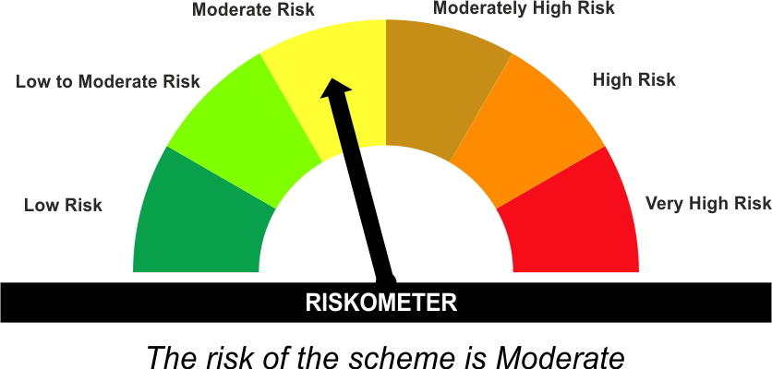 | CRISIL Medium to Long Duration Debt A-III Index | 
•Income Over Medium to long term
•To generate income/capital appreciation through investments in Debt / Money Market Instruments
•Risk – Moderate |  | •Risk - Moderate
“The Scheme and Benchmark riskometer disclosed above is latest available riskometer, for any updates please visit the AMC’s website (https://www.licmf.com/downloads/risk-o-meter-disclosure).

*Investors should consult their financial advisers if in doubt about whether the product is suitable for them.
Mutual Fund investments are subject to market risks, read all scheme related documents carefully.

 | Potential Risk Class
LDBOND | Credit Risk | Relatively Low (Class A) | Moderate (Class B) | Relatively High (Class C)
 | Interest Rate Risk
 | Relatively Low (Class I)
 | Moderate (Class II)
 | Relatively High (Class III) |  | B-III

 | Portfolio Information
Scheme Name : | LIC MF MEDIUM TO LONG DURATION FUND
Description (if any) | Medium to Long Duration Fund
Annualised Portfolio YTM* : | 7.09
Macaulay Duration | 6.18 Years
Residual Maturity | 7.99 Years
As on (Date) | 31 January 2025
* in case of semi annual YTM, it will be annualised
As the Regular and Direct plans have a common portfolio, the Portfolio yield given above is at the Scheme level

LDINPF
LIC MF BANKING & PSU FUND |  |  |  |  | Index

Monthly Portfolio Statement as on January 31,2025
Name of the Instrument | ISIN | Industry / Rating | Quantity | Market/Fair Value (Rounded, Rs. In Lacs) | Rounded, % to Net Assets | Yield

Debt Instruments
(a)Listed / Awaiting listing on stock Exchanges
7.1% Government of India | IN0020240019 | SOVEREIGN | 8,150,000.000 | 8,527.75 | 4.56% | 6.86%
7.45% Export Import Bank of India ** | INE514E08GB4 | CRISIL AAA | 7,500.000 | 8,072.68 | 4.32% | 7.31%
7.83% Small Industries Development Bk of India ** | INE556F08KL3 | CRISIL AAA | 7,500.000 | 7,697.01 | 4.12% | 7.46%
7.44% National Bk for Agriculture & Rural Dev. | INE261F08EK5 | CRISIL AAA | 7,500.000 | 7,686.63 | 4.11% | 7.51%
8.09% NLC India Ltd. ** | INE589A07037 | ICRA AAA | 600.000 | 6,503.10 | 3.48% | 7.27%
7.89% Power Grid Corporation of India Ltd. ** | INE752E07OE0 | CRISIL AAA | 500.000 | 5,405.61 | 2.89% | 7.35%
8.0% Bajaj Finance Ltd. ** | INE296A07SJ6 | CRISIL AAA | 500.000 | 5,376.02 | 2.88% | 7.89%
7.45% Indian Railway Finance Corporation Ltd. ** | INE053F08320 | CRISIL AAA | 5,000.000 | 5,318.82 | 2.85% | 7.32%
7.46% REC Ltd. ** | INE020B08EK4 | CRISIL AAA | 5,000.000 | 5,211.94 | 2.79% | 7.50%
7.18% Government of India | IN0020230085 | SOVEREIGN | 4,900,000.000 | 5,197.20 | 2.78% | 6.87%
7.39% Bank of Baroda ** | INE028A08281 | ICRA AAA | 500.000 | 5,167.74 | 2.77% | 7.39%
7.27% Power Finance Corporation Ltd. ** | INE134E08ND3 | CRISIL AAA | 5,000.000 | 5,118.96 | 2.74% | 7.31%
7.43% Jamnagar Utilities & Power Pvt. Ltd. ** | INE936D07190 | CRISIL AAA | 5,000.000 | 5,090.71 | 2.73% | 7.46%
7.02% Export Import Bank of India ** | INE514E08FH3 | CRISIL AAA | 500.000 | 5,021.24 | 2.69% | 7.18%
7.37% Indian Railway Finance Corporation Ltd. ** | INE053F08411 | CRISIL AAA | 4,500.000 | 4,687.74 | 2.51% | 7.26%
7.5% NHPC Ltd. ** | INE848E07AR7 | ICRA AAA | 2,250.000 | 4,641.57 | 2.48% | 7.25%
7.71% State Government of Gujarat | IN1520220279 | SOVEREIGN | 4,000,000.000 | 4,285.90 | 2.29% | 7.22%
8.4% Power Grid Corporation of India Ltd. ** | INE752E07MU0 | CRISIL AAA | 350.000 | 3,807.96 | 2.04% | 7.31%
7.14% REC Ltd. ** | INE020B08CO0 | CRISIL AAA | 300.000 | 3,078.93 | 1.65% | 7.36%
8.27% National Highways Authority of India ** | INE906B07GP0 | CRISIL AAA | 250.000 | 2,771.22 | 1.48% | 7.16%
7.79% Power Finance Corporation Ltd. ** | INE134E08KU3 | CRISIL AAA | 250.000 | 2,684.47 | 1.44% | 7.34%
7.55% Power Finance Corporation Ltd. ** | INE134E08ML8 | CRISIL AAA | 2,500.000 | 2,646.04 | 1.42% | 7.62%
7.58% REC Ltd. ** | INE020B08FD6 | ICRA AAA | 2,500.000 | 2,644.75 | 1.42% | 7.39%
8.23% Indian Railway Finance Corporation Ltd. ** | INE053F07BE7 | CRISIL AAA | 250.000 | 2,643.85 | 1.42% | 7.28%
7.4% Power Finance Corporation Ltd. ** | INE134E08KQ1 | CRISIL AAA | 250.000 | 2,641.42 | 1.41% | 7.34%
7.59% National Housing Bank ** | INE557F08FY4 | CRISIL AAA | 2,500.000 | 2,641.08 | 1.41% | 7.34%
7.39% Indian Railway Finance Corporation Ltd. ** | INE053F08403 | CRISIL AAA | 2,500.000 | 2,633.73 | 1.41% | 7.20%
7.66% State Government of Gujarat | IN1520230195 | SOVEREIGN | 2,500,000.000 | 2,588.58 | 1.39% | 7.21%
7.57% Indian Railway Finance Corporation Ltd. ** | INE053F08353 | CRISIL AAA | 2,500.000 | 2,581.86 | 1.38% | 7.28%
7.41% Indian Oil Corporation Ltd. ** | INE242A08437 | FITCH AAA | 250.000 | 2,573.47 | 1.38% | 7.17%
6.79% Government of India | IN0020240126 | SOVEREIGN | 2,500,000.000 | 2,570.24 | 1.38% | 6.81%
7.44% Small Industries Development Bk of India | INE556F08KI9 | CRISIL AAA | 2,500.000 | 2,568.65 | 1.38% | 7.61%
7.75% Small Industries Development Bk of India ** | INE556F08KD0 | ICRA AAA | 250.000 | 2,555.55 | 1.37% | 7.84%
7.34% REC Ltd. ** | INE020B08FL9 | CRISIL AAA | 2,500.000 | 2,542.12 | 1.36% | 7.35%
6.79% Government of India | IN0020240159 | SOVEREIGN | 2,500,000.000 | 2,537.84 | 1.36% | 6.85%
7.34% Nuclear Power Corporation ** | INE206D08469 | ICRA AAA | 250.000 | 2,521.65 | 1.35% | 7.17%
7.43% National Bk for Agriculture & Rural Dev. ** | INE261F08BX4 | ICRA AAA | 250.000 | 2,518.23 | 1.35% | 7.39%
7.74% Power Finance Corporation Ltd. | INE134E08JI0 | CRISIL AAA | 250.000 | 2,517.26 | 1.35% | 7.49%
7.14% Export Import Bank of India | INE514E08GD0 | CRISIL AAA | 2,500.000 | 2,516.45 | 1.35% | 7.21%
7.53% National Bk for Agriculture & Rural Dev. | INE261F08EM1 | ICRA AAA | 2,500.000 | 2,512.77 | 1.35% | 7.50%
7.29% National Housing Bank | INE557F08GC8 | CARE AAA | 2,500.000 | 2,502.88 | 1.34% | 7.29%
7.7% State Government of Maharashtra | IN2220220205 | SOVEREIGN | 2,000,000.000 | 2,135.48 | 1.14% | 7.21%
7.72% State Government of Maharashtra | IN2220220072 | SOVEREIGN | 1,500,000.000 | 1,583.34 | 0.85% | 7.23%
7.47% State Government of Maharashtra | IN2220230121 | SOVEREIGN | 1,500,000.000 | 1,581.51 | 0.85% | 7.22%
7.43% Punjab National Bank ** | INE160A08316 | CRISIL AAA | 15.000 | 1,516.05 | 0.81% | 7.40%
7.25% Indian Oil Corporation Ltd. ** | INE242A08569 | CRISIL AAA | 1,423.000 | 1,435.08 | 0.77% | 7.16%
Sub Total |  |  |  | 171,063.08 | 91.60%

(b)Privately Placed/Unlisted
Sub Total |  |  |  | NIL | NIL

(c)Securitised Debt Instruments
Sub Total |  |  |  | NIL | NIL

TOTAL |  |  |  | 171,063.08 | 91.57%

Money Market Instruments

Certificate of Deposit
Axis Bank Ltd. ** # | INE238AD6900 | CRISIL A1+ | 1,000.000 | 4,783.60 | 2.56% | 7.68%
HDFC Bank Ltd. ** # | INE040A16FM0 | CRISIL A1+ | 500.000 | 2,384.77 | 1.28% | 7.67%
Axis Bank Ltd. ** # | INE238AD6983 | CRISIL A1+ | 500.000 | 2,358.91 | 1.26% | 7.66%
HDFC Bank Ltd. # | INE040A16FY5 | CRISIL A1+ | 500.000 | 2,349.51 | 1.26% | 7.64%
Sub Total |  |  |  | 11,876.79 | 6.36%

TOTAL |  |  |  | 11,876.79 | 6.36%

Others
Investment in Mutual fund
SBI CDMDF--A2 | INF0RQ622028 |  | 4,357.967 | 475.48 | 0.25%

TOTAL |  |  |  | 475.48 | 0.25%

Treps / Reverse Repo
Treps |  |  |  | 3,382.98 | 1.81%
Sub Total |  |  |  | 3,382.98 | 1.81%

TOTAL |  |  |  | 3,382.98 | 1.81%
Net Receivables / (Payables) |  |  |  | 12.42 | 0.01%
GRAND TOTAL |  |  |  | 186,810.75 | 100.00%

# Unlisted Security
** Non Traded Security

The product is suitable for investors who are seeking* | Riskometer - Scheme | Primary Benchmark | Riskometer - Primary Benchmark
LIC MF Banking & PSU Fund |  | NIFTY Banking & PSU Debt Index A-II | 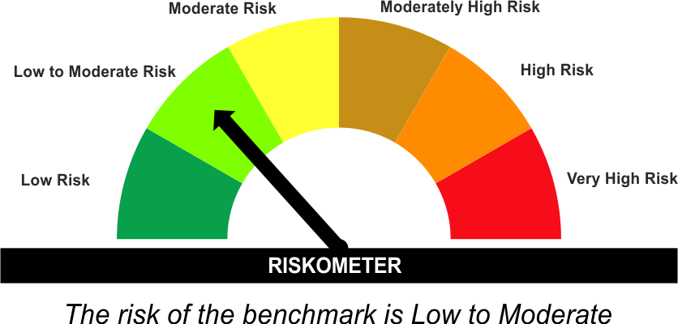
•Income for medium term capital appreciation with current income.
•An income fund that invests predominantly in debt and money market instruments issued by Banks, Public Sector Undertakings, Public Financial Institutions and Municipal Bonds
•Risk - Moderate |  | •Risk - Low To Moderate
“The Scheme and Benchmark riskometer disclosed above is latest available riskometer, for any updates please visit the AMC’s website (https://www.licmf.com/downloads/risk-o-meter-disclosure).

*Investors should consult their financial advisers if in doubt about whether the product is suitable for them.
Mutual Fund investments are subject to market risks, read all scheme related documents carefully.

 | Potential Risk Class
LDINPF | Credit Risk | Relatively Low (Class A) | Moderate (Class B) | Relatively High (Class C)
 | Interest Rate Risk
 | Relatively Low (Class I)
 | Moderate (Class II)
 | Relatively High (Class III) | A-III

 | Portfolio Information
Scheme Name : | LIC MF Banking & PSU Fund
Description (if any) | Banking and PSU Fund
Annualised Portfolio YTM* : | 7.28
Macaulay Duration | 3.86 Years
Residual Maturity | 4.59 Years
As on (Date) | 31 January 2025
* in case of semi annual YTM, it will be annualised
As the Regular and Direct plans have a common portfolio, the Portfolio yield given above is at the Scheme level

LDMIPF
LIC MF CONSERVATIVE HYBRID FUND |  |  |  |  | Index

Monthly Portfolio Statement as on January 31,2025
Name of the Instrument | ISIN | Industry / Rating | Quantity | Market/Fair Value (Rounded, Rs. In Lacs) | Rounded, % to Net Assets | Yield
Equity & Equity related
(a)Listed / Awaiting listing on Stock Exchanges
Infosys Ltd. | INE009A01021 | IT - Software | 10,659.000 | 200.37 | 4.01%
ICICI Bank Ltd. | INE090A01021 | Banks | 13,809.000 | 173.00 | 3.46%
HDFC Bank Ltd. | INE040A01034 | Banks | 9,695.000 | 164.69 | 3.30%
JTL Industries Ltd. | INE391J01032 | Industrial Products | 167,055.000 | 161.96 | 3.24%
Reliance Industries Ltd. | INE002A01018 | Petroleum Products | 10,491.000 | 132.72 | 2.66%
Mahindra & Mahindra Ltd. | INE101A01026 | Automobiles | 3,334.000 | 99.68 | 1.99%
Hindustan Unilever Ltd. | INE030A01027 | Diversified FMCG | 3,313.000 | 81.79 | 1.64%
Sub Total |  |  |  | 1,014.21 | 20.29%
(b) Unlisted
Sub Total |  |  |  | NIL | NIL

TOTAL |  |  |  | 1,014.21 | 20.29%

Debt Instruments
(a)Listed / Awaiting listing on stock Exchanges
7.65% State Government of Tamil Nadu | IN3120230260 | SOVEREIGN | 500,000.000 | 528.61 | 10.58% | 7.22%
7.32% Government of India | IN0020230135 | SOVEREIGN | 500,000.000 | 523.12 | 10.47% | 6.79%
7.17% Government of India | IN0020230036 | SOVEREIGN | 500,000.000 | 521.17 | 10.43% | 6.78%
6.79% Government of India | IN0020240159 | SOVEREIGN | 500,000.000 | 507.57 | 10.15% | 6.85%
7.26% Government of India | IN0020220060 | SOVEREIGN | 450,000.000 | 478.02 | 9.56% | 6.86%
8.03% State Government of Karnataka | IN1920170165 | SOVEREIGN | 450,000.000 | 463.65 | 9.28% | 7.02%
8.13% Nuclear Power Corporation ** | INE206D08378 | CRISIL AAA | 40.000 | 421.65 | 8.44% | 7.30%
7.38% Government of India | IN0020220037 | SOVEREIGN | 200,000.000 | 205.04 | 4.10% | 6.71%
7.19% State Government of Tamil Nadu | IN3120190225 | SOVEREIGN | 150,000.000 | 152.99 | 3.06% | 7.16%
8.49% NTPC Ltd. ** | INE733E07JP6 | CRISIL AAA | 47,900.000 | 2.57 | 0.05% | 7.32%
Sub Total |  |  |  | 3,804.39 | 76.12%

(b)Privately Placed/Unlisted
Sub Total |  |  |  | NIL | NIL

(c)Securitised Debt Instruments
Sub Total |  |  |  | NIL | NIL

TOTAL |  |  |  | 3,804.39 | 76.11%

Others
Investment in Mutual fund
SBI CDMDF--A2 | INF0RQ622028 |  | 157.192 | 17.15 | 0.34%

TOTAL |  |  |  | 17.15 | 0.34%

Treps / Reverse Repo
Treps |  |  |  | 188.19 | 3.77%
Sub Total |  |  |  | 188.19 | 3.77%

TOTAL |  |  |  | 188.19 | 3.77%
Net Receivables / (Payables) |  |  |  | (25.71) | (0.51%)
GRAND TOTAL |  |  |  | 4,998.23 | 100.00%

** Non Traded Security

The product is suitable for investors who are seeking* | Riskometer - Scheme | Primary Benchmark | Riskometer - Primary Benchmark
LIC MF CONSERVATIVE HYBRID FUND | 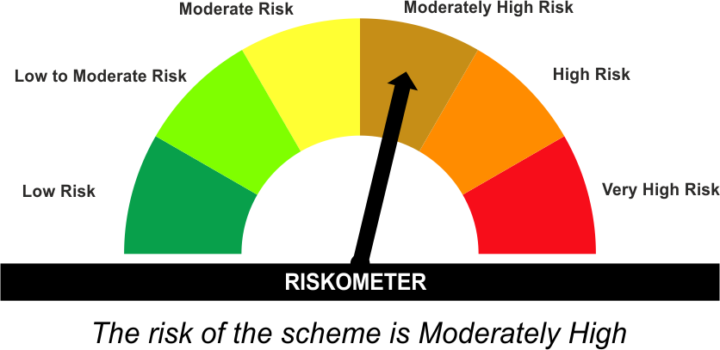 | CRISIL Hybrid 85+15 - Conservative Index | 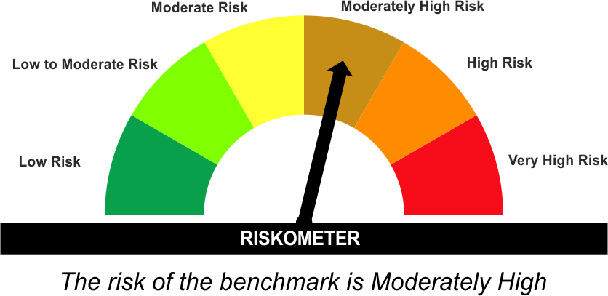
•Medium term capital appreciation with current income
•A fund that invests predominantly in debt instruments with marginal equity exposure.
•Risk - Moderately High |  | •Risk - Moderately High
“The Scheme and Benchmark riskometer disclosed above is latest available riskometer, for any updates please visit the AMC’s website (https://www.licmf.com/downloads/risk-o-meter-disclosure).

*Investors should consult their financial advisers if in doubt about whether the product is suitable for them.
Mutual Fund investments are subject to market risks, read all scheme related documents carefully.

LDMNMF
LIC MF MONEY MARKET FUND |  |  |  |  | Index

Monthly Portfolio Statement as on January 31,2025
Name of the Instrument | ISIN | Industry / Rating | Quantity | Market/Fair Value (Rounded, Rs. In Lacs) | Rounded, % to Net Assets | Yield

Money Market Instruments

Treasury Bill
364 DAYS TBILL RED 12-06-2025 | IN002024Z115 | SOVEREIGN | 500,000.000 | 488.50 | 21.73% | 6.56%
Sub Total |  |  |  | 488.50 | 21.73%

TOTAL |  |  |  | 488.50 | 21.73%

Others
Investment in Mutual fund
SBI CDMDF--A2 | INF0RQ622028 |  | 195.190 | 21.30 | 0.95%

TOTAL |  |  |  | 21.30 | 0.95%

Treps / Reverse Repo
Treps |  |  |  | 1,732.98 | 77.08%
Sub Total |  |  |  | 1,732.98 | 77.08%

TOTAL |  |  |  | 1,732.98 | 77.08%
Net Receivables / (Payables) |  |  |  | 5.62 | 0.24%
GRAND TOTAL |  |  |  | 2,248.40 | 100.00%

The product is suitable for investors who are seeking* | Riskometer - Scheme | Primary Benchmark | Riskometer - Primary Benchmark
LIC MF Money Market Fund |  | NIFTY Money Market Index A-I
•Income over short term.
•Investment in money market instruments with maturity upto one year.
•Risk – Low |  | •Risk - Low To Moderate
“The Scheme and Benchmark riskometer disclosed above is latest available riskometer, for any updates please visit the AMC’s website (https://www.licmf.com/downloads/risk-o-meter-disclosure).

*Investors should consult their financial advisers if in doubt about whether the product is suitable for them.
Mutual Fund investments are subject to market risks, read all scheme related documents carefully.

 | Potential Risk Class
LDMNMF | Credit Risk | Relatively Low (Class A) | Moderate (Class B) | Relatively High (Class C)
 | Interest Rate Risk
 | Relatively Low (Class I) |  | B-I
 | Moderate (Class II)
 | Relatively High (Class III)

 | Portfolio Information
Scheme Name : | LIC MF Money Market Fund
Description (if any) | Money Market Fund
Annualised Portfolio YTM* : | 6.52
Macaulay Duration | 0.08 Years
Residual Maturity | 0.08 Years
As on (Date) | 31 January 2025
* in case of semi annual YTM, it will be annualised
As the Regular and Direct plans have a common portfolio, the Portfolio yield given above is at the Scheme level

LDONTF
LIC MF OVERNIGHT FUND |  |  |  |  | Index

Monthly Portfolio Statement as on January 31,2025
Name of the Instrument | ISIN | Industry / Rating | Quantity | Market/Fair Value (Rounded, Rs. In Lacs) | Rounded, % to Net Assets | Yield

Money Market Instruments

Certificate of Deposit
HDFC Bank Ltd. # | INE040A16EM3 | CRISIL A1+ | 2,500.000 | 12,495.44 | 9.41% | 6.66%
Canara Bank # | INE476A16YV8 | CRISIL A1+ | 2,500.000 | 12,495.41 | 9.41% | 6.70%
Sub Total |  |  |  | 24,990.85 | 18.81%

Commercial Paper
Reliance Industries Ltd. | INE002A14KW4 | CRISIL A1+ | 2,500.000 | 12,495.41 | 9.41% | 6.70%
Sub Total |  |  |  | 12,495.41 | 9.41%

Treasury Bill
91 DAYS TBILL RED 27-02-2025 | IN002024X342 | SOVEREIGN | 2,000,000.000 | 1,990.89 | 1.50% | 6.43%
364 DAYS TBILL RED 06-02-2025 | IN002023Z471 | SOVEREIGN | 1,500,000.000 | 1,498.69 | 1.13% | 6.36%
364 DAYS TBILL RED 13-02-2025 | IN002023Z489 | SOVEREIGN | 1,000,000.000 | 997.89 | 0.75% | 6.42%
Sub Total |  |  |  | 4,487.47 | 3.38%

TOTAL |  |  |  | 41,973.73 | 31.60%

Treps / Reverse Repo
Reverse Repo |  |  |  | 46,673.86 | 35.13%
Treps |  |  |  | 46,129.28 | 34.72%
Sub Total |  |  |  | 92,803.14 | 69.85%

TOTAL |  |  |  | 92,803.14 | 69.85%
Net Receivables / (Payables) |  |  |  | (1,925.16) | (1.45%)
GRAND TOTAL |  |  |  | 132,851.71 | 100.00%

# Unlisted Security

The product is suitable for investors who are seeking* | Riskometer - Scheme | Primary Benchmark | Riskometer - Primary Benchmark
LIC MF Overnight Fund |  | NIFTY 1D Rate Index | 
•Income with high levels of safety and liquidity over short term.
•Investment in debt and money market instruments with overnight maturity.
•Risk – Low to Moderate |  | •Risk – Low
“The Scheme and Benchmark riskometer disclosed above is latest available riskometer, for any updates please visit the AMC’s website (https://www.licmf.com/downloads/risk-o-meter-disclosure).

*Investors should consult their financial advisers if in doubt about whether the product is suitable for them.
Mutual Fund investments are subject to market risks, read all scheme related documents carefully.

 | Potential Risk Class
LDONTF | Credit Risk | Relatively Low (Class A) | Moderate (Class B) | Relatively High (Class C)
 | Interest Rate Risk
 | Relatively Low (Class I) | A-I
 | Moderate (Class II)
 | Relatively High (Class III)

 | Portfolio Information
Scheme Name : | LIC MF Overnight Fund
Description (if any) | Overnight Fund
Annualised Portfolio YTM* : | 6.65
Macaulay Duration | 0.01 Years
Residual Maturity | 0.01 Years
As on (Date) | 31 January 2025
* in case of semi annual YTM, it will be annualised
As the Regular and Direct plans have a common portfolio, the Portfolio yield given above is at the Scheme level

